Introduction

A planetary nebula is a type of emission nebula consisting of an expanding, glowing shell of ionized gas ejected from red giant stars late in their lives. The term "planetary nebula" is a misnomer because they are unrelated to planets. The term originates from the planet-like round shape of these nebulae observed by astronomers through early telescopes. This spreadsheet enables one to specify date/time/timezone and limits regarding the field of view (azimuth, altitude). The nebulae objects that are visible will be highlighted.

 | Compiled by: Anton Viola (Astronomy Morsels). | Email

 | Latest update: 12th May, 2024 | V1.2

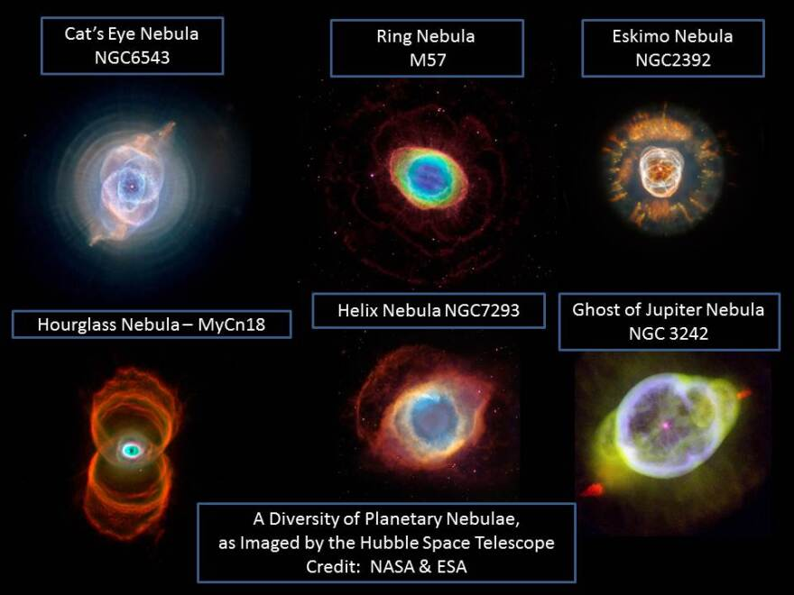

All Rights Reserved: © Astronomy Morsels.
I'm solely responsible for the input and express no warranty. Use at your own risk.
Nonetheless, this spreadsheet has been carefully reviewed, and calculation results have been compared with other applications.

Visibility
Date, time, and location |  |  |  | Field of view limits (azimuth, altitude) |  |  |  |  |  |  |  |  | Visible objects (based on criteria)
 | Inputs |  |  |  |  |  | min | min |  |  |  |  | Date: 12.05.2024, Time: 22:00 |  |  |  | Moon: 25.68%
Date | 2024-05-12 |  |  |  |  |  | 90.00 | 15.00 |  |  |  |  | Latitude: 46.45, Longitude: 7.42 (Home) |  |  |  | # total: 5
Time | 22:00:00 |  |  |  |  |  | max | max |  |  |  |  | Limits: 90 <= azimuth <= 270, 15 <= altitude <= 90 |  |  |  | # selected: 5
Timezone | 1 |  |  |  |  |  | 270.00 | 90.00
Leap year? | Y |  |  | N# | Observed? | NGC | Azimuth | Altitude | Common Name | RA | Decl | HA | N# | Observed? | NGC | Azimuth | Altitude
Day nr. | 133 |  |  | 1 | - | NGC 7293 | 25.95 | 4.43 | Helix Nebula | 22.49 | 42.35 | -143.82 | 8 | - | NGC 3132 | 262.39 | 56.02
Weekday | Sunday |  |  | 2 | - | NGC 6853 | 67.00 | 9.59 | Dumbbell Nebula | 19.59 | 22.72 | -100.27 | 11 | - | NGC 6210 | 95.61 | 38.90
JDE | 2,460,443.42 |  |  | 3 | - | NGC 7009 | 73.46 | -30.36 | Saturn Nebula | 21.07 | -11.37 | -122.47 | 18 | - | NGC 3242 | 216.91 | 16.69
Delta days | 8,898.42 |  |  | 4 | - | NGC 3918 | 324.27 | 75.51 | Blue Planetary | 11.86 | 57.32 | 15.70 | 26 | - | NGC 4361 | 187.75 | 24.40
Location | Home |  |  | 5 | - | NGC 246 | 1.82 | -31.80 | Skull Nebula | 0.80 | 11.73 | 181.58 | 38 | - | IC 4593 | 112.96 | 35.95
φ (latitude) | 46.4500 |  |  | 6 | - | NGC 6543 | 34.38 | 46.99 | Cat's Eye Nebula | 17.98 | 66.62 | -76.05
L (longitude) | 7.4200 |  |  | 7 | - | NGC 6572 | 92.69 | 12.02 | Blue Raquetball Nebula | 18.22 | 6.85 | -79.75
UT (hours) | 21.00 |  | * | 8 | - | NGC 3132 | 262.39 | 56.02 | Eight-Burst Planetary | 10.14 | 33.37 | 41.55
LST (degrees) | 193.58 |  |  | 9 | - | NGC 7662 | 16.56 | -1.41 | Blue Snowball Nebula | 23.45 | 39.97 | -158.17
Marker name | Observed? |  |  | 10 | - | NGC 7027 | 39.26 | 12.09 | Magic Carpet Nebula | 21.12 | 42.33 | -123.17
 | values | include? | * | 11 | - | NGC 6210 | 95.61 | 38.90 | Turtle Nebula | 16.76 | 23.75 | -57.80
Can for instance be used to indicate whether an object is of special interest | - | yes |  | 12 | - | NGC 6720 | 65.97 | 23.38 | Ring Nebula | 18.89 | 33.03 | -89.82
 | x | yes |  | 13 | - | NGC 2867 | 207.33 | -23.59 | Royal Aqua Nebula | 9.36 | -58.32 | 53.23
 |  |  |  | 14 | - | NGC 6826 | 44.45 | 27.62 | Blinking Planetary Nebula | 19.75 | 50.52 | -102.62
 |  |  |  | 15 | - | NGC 1535 | 291.85 | -36.06 | Cleopatra's Eye Nebula | 4.26 | -12.67 | 129.73
 |  |  |  | 16 | - | NGC 1360 | 289.07 | -52.25 | Robin's Egg Nebula | 3.57 | -25.80 | 140.00
 |  |  |  | 17 | - | NGC 2392 | 278.82 | 20.88 | Eskimo/Clown Face Nebula | 7.49 | 20.92 | 81.28
 |  |  | * | 18 | - | NGC 3242 | 216.91 | 16.69 | Ghost of Jupiter Nebula | 10.41 | -18.63 | 37.38
 |  |  |  | 19 | - | IC 418 | 276.72 | -23.87 | Spirograph Nebula | 5.48 | -12.68 | 111.43
Locations |  |  |  | 20 | - | NGC 5882 | 155.53 | -7.48 | Green Snowball Nebula | 15.31 | -45.73 | -36.05
Name | φ (latitude) | L (longitude) |  | 21 | - | NGC 5189 | 175.50 | -22.83 | Spiral Planetary Nebula | 13.59 | -66.10 | -10.27
Home | 46.4500 | 7.4200 |  | 22 | - | NGC 6818 | 91.04 | -18.72 | Little Gem Nebula | 19.73 | -14.15 | -102.42
 |  |  |  | 23 | - | NGC 6790 | 83.50 | -4.01 | Eye of The Eagle | 19.40 | 1.55 | -97.47
 |  |  |  | 24 | - | NGC 40 | 3.53 | 29.20 | Bow Tie Nebula | 0.22 | 72.53 | 190.33
 |  |  |  | 25 | - | IC 1297 | 116.52 | -31.00 | White Flower Nebula | 19.29 | -39.57 | -95.77
 |  |  | * | 26 | - | NGC 4361 | 187.75 | 24.40 | Raven's Eye Nebula | 12.41 | -18.80 | 7.45
 |  |  |  | 27 | - | IC 4406 | 164.13 | -2.86 | Retina Nebula | 14.40 | -44.27 | -22.42
 |  |  |  | 28 | - | NGC 2346 | 267.63 | 3.42 | Butterfly Nebula | 7.18 | 0.85 | 85.93
Moon's illuminated fraction: 25.68% |  |  |  | 29 | - | NGC 2438 | 251.35 | -2.71 | Smoke Ring in M46 | 7.70 | -14.73 | 78.13
 | black bottom | transparent | black top
 | 0.00 | 0.00 | 2.00
 | 0.00 | 0.00 | 2.00
 | 0.00 | 0.00 | 2.00
 | 0.00 | 0.00 | 2.00
 | 0.00 | 0.00 | 2.00
 | 0.00 | 0.00 | 2.00
 | 0.00 | 0.00 | 2.00
 | 0.00 | 0.00 | 2.00
 | 0.00 | 0.00 | 2.00
 | 0.00 | 0.00 | 2.00
 | 0.00 | 0.00 | 2.00
 | 0.00 | 0.00 | 2.00
 | 0.00 | 0.00 | 2.00
 | 0.00 | 0.00 | 2.00
 | 0.00 | 0.00 | 2.00
 | 0.00 | 0.00 | 2.00
 | 0.00 | 0.00 | 2.00
 | 0.00 | 0.00 | 2.00
 | 0.00 | 0.00 | 2.00
 | 0.00 | 0.00 | 2.00
 | 0.00 | 0.00 | 2.00
 | 0.00 | 0.00 | 2.00
 | 0.00 | 0.00 | 2.00
 | 0.00 | 0.00 | 2.00
 | 0.00 | 0.00 | 2.00
 | 0.00 | 0.00 | 2.00
 | 0.00 | 0.00 | 2.00
 | 0.00 | 0.00 | 2.00
 | 0.00 | 0.00 | 2.00
 | 0.00 | 0.00 | 2.00
 | 0.00 | 0.00 | 2.00
 | 0.00 | 0.00 | 2.00
 | 0.00 | 0.00 | 2.00
 | 0.00 | 0.00 | 2.00
 | 0.00 | 0.00 | 2.00
 | 0.00 | 0.00 | 2.00
 | 0.00 | 0.00 | 2.00
 | 0.00 | 0.00 | 2.00
 | 0.00 | 0.00 | 2.00
 | 0.00 | 0.00 | 2.00
 | 0.00 | 0.00 | 2.00
 | 0.00 | 0.00 | 2.00
 | 0.00 | 0.00 | 2.00
 | 0.00 | 0.00 | 2.00
 | 0.00 | 0.00 | 2.00
 | 0.00 | 0.00 | 2.00
 | 0.00 | 0.00 | 2.00
 | 0.00 | 0.00 | 2.00
 | 0.00 | 0.00 | 2.00
 | 0.00 | 0.00 | 2.00
...
 |  |  |  | 30 | - | NGC 2440 | 248.97 | -5.26 | Peanut Nebula | 7.70 | -18.22 | 78.10
 |  |  |  | 31 | - | NGC 1514 | 319.51 | -0.90 | Crystal Ball Nebula | 4.18 | 30.83 | 130.88
 |  |  |  | 32 | - | NGC 6741 | 87.99 | -1.33 | Phantom Streak Nebula | 19.06 | 0.42 | -92.37
 |  |  |  | 33 | - | IC 2149 | 312.60 | 23.99 | Eye of the Charioteer | 5.97 | 46.12 | 104.03
 |  |  |  | 34 | - | IC 2448 | 200.02 | -33.51 |  | 9.12 | -70.03 | 56.73
 |  |  |  | 35 | - | IC 2501 | 204.08 | -23.76 |  | 9.66 | -60.20 | 48.70
 |  |  |  | 36 | - | NGC 3699 | 190.98 | -17.94 | Hamburger Planetary | 11.49 | -60.08 | 21.30
 |  |  |  | 37 | - | NGC 6891 | 66.37 | -4.31 | Faint Ring Nebula | 20.27 | 12.77 | -110.50
 |  |  | * | 38 | - | IC 4593 | 112.96 | 35.95 | White Eyed Pea Nebula | 16.22 | 12.00 | -49.65
 |  |  |  | 39 | - | IC 4634 | 124.81 | 1.64 | Rose Nebula | 17.05 | -21.87 | -62.17
 |  |  |  | 40 | - | NGC 6309 | 116.93 | 6.82 | Box Nebula | 17.26 | -12.93 | -65.27
 |  |  |  | 41 | - | NGC 650/1 | 352.49 | 8.56 | Little Dumbbell Nebula | 1.71 | 51.57 | 168.00
 |  |  |  | 42 | - | NGC 6153 | 141.12 | -9.33 |  | 16.53 | -40.30 | -54.30
 |  |  |  | 43 | - | NGC 3587 | 307.86 | 72.21 | Owl Nebula | 11.25 | 55.02 | 24.88
 |  |  |  | 44 | - | NGC 6803 | 76.18 | 0.85 | Cheerio Nebula | 19.54 | 10.10 | -99.52
 |  |  |  | 45 | - | NGC 6326 | 141.48 | -23.80 | Tarantula Planetary | 17.38 | -51.78 | -67.10
 |  |  |  | 46 | - | IC 2553 | 199.22 | -23.97 |  | 10.17 | -62.73 | 41.05
 |  |  |  | 47 | - | NGC 3211 | 141.80 | -42.69 |  | 19.31 | -62.80 | -96.10
yes |  |  |  | 48 | - | IC 2621 | 192.47 | -23.96 |  | 11.02 | -65.38 | 28.28
no |  |  |  | 49 | - | IC 3568 | 358.86 | 53.98 | Lemon Slice Nebula | 12.57 | 82.43 | 5.08
 |  |  |  | 50 | - | NGC 5307 | 170.85 | -8.57 | Cotton Candy Planetary | 13.88 | -51.32 | -14.57
 |  |  |  | 51 | - | NGC 3195 | 187.76 | -39.29 | Eye of the Chameleon | 10.16 | -80.87 | 41.20
 |  |  |  | 52 | - | NGC 5315 | 16.48 | 68.25 | X-Marks the Spot Planetary | 13.93 | 66.63 | -15.37
 |  |  |  | 53 | - | NGC 7048 | 35.61 | 14.52 | Ornament Nebula | 21.25 | 46.38 | -125.20
 |  |  |  | 54 | - | NGC 6905 | 60.52 | 0.38 | Blue Flash Nebula | 20.37 | 20.12 | -112.02
 |  |  |  | 55 | - | NGC 2371/2 | 286.36 | 26.00 | Candy Wrapper Nebula | 7.43 | 29.48 | 82.18
 |  |  |  | 56 | - | IC 4191 | 178.33 | -24.26 |  | 13.17 | -67.77 | -4.02
 |  |  |  | 57 | - | NGC 6369 | 121.28 | -3.64 | Little Ghost Nebula | 17.49 | -23.77 | -68.75
 |  |  |  | 58 | - | NGC 2022 | 289.40 | -5.53 | White Snowball Nebula | 5.70 | 9.08 | 108.05
 |  |  |  | 59 | - | IC 4997 | 62.86 | -1.98 |  | 20.35 | 16.80 | -111.72
 |  |  |  | 60 | - | NGC 6567 | 110.39 | -7.01 |  | 18.23 | -19.07 | -79.85
 |  |  |  | 61 | - | NGC 6629 | 111.23 | -11.93 | Jellyfish Planetary | 18.43 | -23.20 | -82.85
 |  |  |  | 62 | - | NGC 6644 | 111.22 | -14.64 |  | 18.57 | -25.12 | -84.95
 |  |  |  | 63 | - | IC 4776 | 115.65 | -22.13 |  | 18.76 | -33.32 | -87.87
 |  |  |  | 64 | - | NGC 6751 | 91.78 | -6.53 | Glowing Eye Nebula | 19.12 | -5.95 | -93.22
 |  |  |  | 65 | - | NGC 6781 | 81.13 | 0.62 | Little Ring Nebula | 19.31 | 6.55 | -96.02
 |  |  |  | 66 | - | NGC 6804 | 76.69 | 0.19 | White Snowball Nebula | 19.55 | 9.27 | -99.60
 |  |  |  | 67 | - | IC 2165 | 266.55 | -14.78 |  | 6.38 | -13.00 | 97.88
 |  |  |  | 68 | - | NGC 7008 | 32.18 | 22.42 | Fetus Nebula | 21.02 | 54.63 | -121.72
 |  |  |  | 69 | - | NGC 7026 | 35.79 | 16.59 | Cheeseburger Nebula | 21.12 | 47.95 | -123.20
 |  |  |  | 70 | - | IC 5148/50 | 93.01 | -57.86 | Eye of the Crane | 22.02 | -39.27 | -136.67
 |  |  |  | 71 | - | IC 5217 | 23.00 | 12.70 |  | 22.42 | 51.08 | -142.65
 |  |  |  | 72 | - | NGC 5873 | 153.20 | -0.29 |  | 15.24 | -38.22 | -35.02
 |  |  |  | 73 | - | IC 351 | 325.59 | 0.54 |  | 3.82 | 35.12 | 136.30
 |  |  |  | 74 | - | IC 2003 | 323.44 | 0.40 |  | 3.97 | 33.95 | 134.10
 |  |  |  | 75 | - | NGC 5979 | 158.74 | -23.38 | Purple Snowball | 15.83 | -61.28 | -43.85
 |  |  |  | 76 | - | NGC 6886 | 62.11 | 1.63 | TIE Fighter/ Little Saturn Nebula | 20.23 | 20.05 | -109.87
 |  |  |  | 77 | - | NGC 6302 | 132.24 | -11.99 | Bug Nebula | 17.26 | -37.13 | -65.27
 |  |  |  | 78 | - | NGC 6337 | 131.84 | -14.12 | Green Lifesaver Nebula | 17.40 | -38.50 | -67.40
 |  |  |  | 79 | - | NGC 6445 | 115.32 | -3.82 | Box Nebula | 17.82 | -20.02 | -73.72
 |  |  |  | 80 | - | NGC 6537 | 84.47 | 22.58 | Red Spider Nebula | 18.09 | 19.85 | -77.72
 |  |  |  | 81 | - | NGC 2899 | 207.92 | -21.38 |  | 9.46 | -56.22 | 51.63
 |  |  |  | 82 | - | IC 4846 | 92.01 | -10.54 |  | 19.30 | -9.00 | -95.87
 |  |  |  | 83 | - | NGC 1501 | 336.60 | 24.21 | Blue Oyster Nebula | 4.12 | 60.92 | 131.83
 |  |  |  | 84 | - | NGC 7354 | 16.35 | 21.15 | Kissing Lips Nebula | 22.69 | 61.42 | -146.72
 |  |  |  | 85 | - | NGC 6884 | 44.38 | 21.73 |  | 20.19 | 46.53 | -109.20
 |  |  |  | 86 | - | IC 5117 | 33.86 | 11.33 |  | 21.56 | 44.70 | -129.77
 |  |  |  | 87 | - | NGC 2452 | 241.56 | -10.98 |  | 7.81 | -27.40 | 76.48
 |  |  |  | 88 | - | NGC 2818 | 220.93 | -6.40 | Little Crab Nebula in Pyxis Cluster | 9.28 | -36.73 | 54.33
 |  |  |  | 89 | - | IC 4699 | 129.66 | -26.76 |  | 18.34 | -45.97 | -81.50
 |  |  |  | 90 | - | IC 4663 | 133.11 | -21.77 |  | 17.79 | -44.92 | -73.22
 |  |  |  | 91 | - | NGC 6565 | 116.82 | -13.55 |  | 18.22 | -28.17 | -79.77
 |  |  |  | 92 | - | NGC 6563 | 120.96 | -17.63 |  | 18.23 | -33.87 | -79.82
 |  |  |  | 93 | - | NGC 2792 | 218.17 | -11.57 |  | 9.22 | -42.53 | 55.25
 |  |  |  | 94 | - | NGC 6852 | 76.36 | -10.23 |  | 20.03 | 1.78 | -106.90
 |  |  |  | 95 | - | IC 289 | 350.28 | 19.01 | Heart Planetary | 2.21 | 61.42 | 160.50
 |  |  |  | 96 | - | NGC 6058 | 82.04 | 55.44 | Beach Ball Nebula | 16.09 | 40.62 | -47.75
 |  |  |  | 97 | - | Shapley 1 | 153.22 | -15.11 | Fine Ring Nebula | 15.86 | -51.52 | -44.35
 |  |  |  | 98 | - | NGC 6879 | 64.51 | -0.35 |  | 20.19 | 16.98 | -109.30
 |  |  |  | 99 | - | IC 4673 | 117.48 | -11.46 | Babies Foot Nebula | 18.08 | -27.10 | -77.62
 |  |  |  | 100 | - | NGC 6842 | 58.96 | 11.28 |  | 19.93 | 29.35 | -105.42

 |  |  |  |  |  |  |  |  |  |  | DtoR | 0.01745

Illumination
DtoR | 0.01745329252 |  | Angle | 46.227
T | 0.24362537075 |  | # points | 200 |  | dgr | 133.773
D | 56.21523382 |  | stepsize | 0.01 |  | cos | -0.69
M | 127.81107387 |  |  |  |  | minor semi axis | 0.69179814908
M' | 112.71499406 |  |  |  |  | major semi axis | 1
i | 119.10177252
k | 0.25681879426 |  | x | ellipse | black bottom | transparent | black top
 |  |  | -1.00 | 0.00 | 0.00 | 0.00 | 2.00
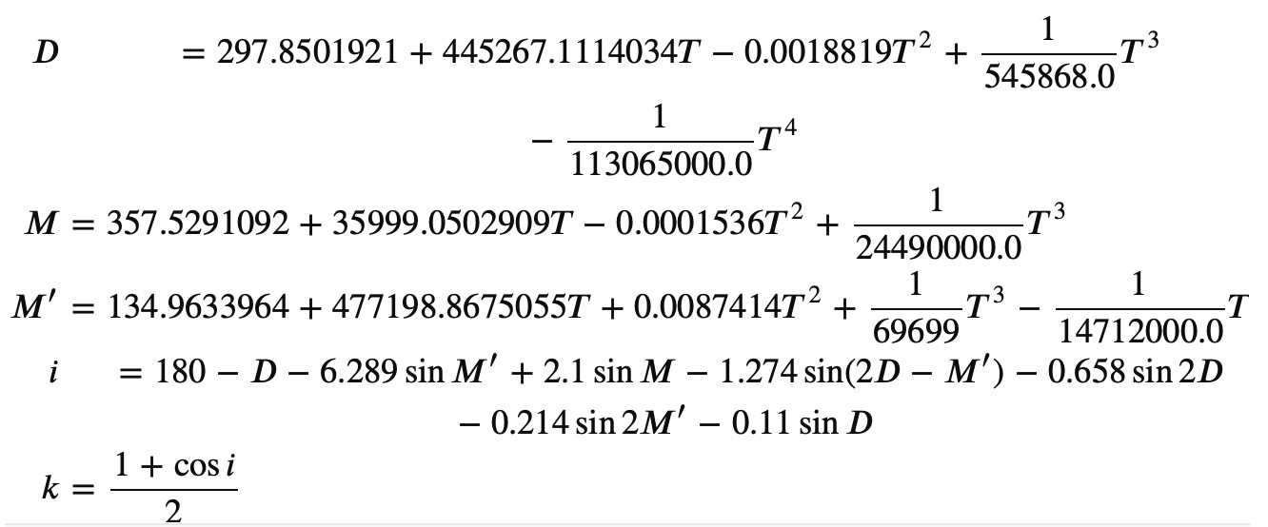
 |  |  | -0.99 | 0.00 | 0.00 | 0.00 | 2.00
 |  |  | -0.98 | 0.00 | 0.00 | 0.00 | 2.00
 |  |  | -0.97 | 0.00 | 0.00 | 0.00 | 2.00
 |  |  | -0.96 | 0.00 | 0.00 | 0.00 | 2.00
 |  |  | -0.95 | 0.00 | 0.00 | 0.00 | 2.00
 |  |  | -0.94 | 0.00 | 0.00 | 0.00 | 2.00
 |  |  | -0.93 | 0.00 | 0.00 | 0.00 | 2.00
 |  |  | -0.92 | 0.00 | 0.00 | 0.00 | 2.00
 |  |  | -0.91 | 0.00 | 0.00 | 0.00 | 2.00
JDEnew moon | 2,460,438.64 | reference date (08.05.2024) | -0.90 | 0.00 | 0.00 | 0.00 | 2.00
delta | 0.16175318041 | (before FM) | -0.89 | 0.00 | 0.00 | 0.00 | 2.00
angle | 46.227382966 |  | -0.88 | 0.00 | 0.00 | 0.00 | 2.00
 |  |  | -0.87 | 0.00 | 0.00 | 0.00 | 2.00
0 | 0 | New moon | -0.86 | 0.00 | 0.00 | 0.00 | 2.00
45 | 22.5 | Waxing crescent | -0.85 | 0.00 | 0.00 | 0.00 | 2.00
90 | 67.5 | First quarter | -0.84 | 0.00 | 0.00 | 0.00 | 2.00
135 | 112.5 | Waxing gibbous | -0.83 | 0.00 | 0.00 | 0.00 | 2.00
180 | 157.5 | Full moon | -0.82 | 0.00 | 0.00 | 0.00 | 2.00
225 | 202.5 | Waning gibbous | -0.81 | 0.00 | 0.00 | 0.00 | 2.00
270 | 247.5 | Last quarter | -0.80 | 0.00 | 0.00 | 0.00 | 2.00
315 | 292.5 | Waning crescent | -0.79 | 0.00 | 0.00 | 0.00 | 2.00
360 | 337.5 | New moon | -0.78 | 0.00 | 0.00 | 0.00 | 2.00
 |  |  | -0.77 | 0.00 | 0.00 | 0.00 | 2.00
 |  |  | -0.76 | 0.00 | 0.00 | 0.00 | 2.00
 |  |  | -0.75 | 0.00 | 0.00 | 0.00 | 2.00
 |  |  | -0.74 | 0.00 | 0.00 | 0.00 | 2.00
 |  |  | -0.73 | 0.00 | 0.00 | 0.00 | 2.00
 |  |  | -0.72 | 0.00 | 0.00 | 0.00 | 2.00
 |  |  | -0.71 | 0.00 | 0.00 | 0.00 | 2.00
 |  |  | -0.70 | 0.00 | 0.00 | 0.00 | 2.00
 |  |  | -0.69 | 0.07 | 0.00 | 0.00 | 2.00
 |  |  | -0.68 | 0.18 | 0.00 | 0.00 | 2.00
 |  |  | -0.67 | 0.25 | 0.00 | 0.00 | 2.00
 |  |  | -0.66 | 0.30 | 0.00 | 0.00 | 2.00
 |  |  | -0.65 | 0.34 | 0.00 | 0.00 | 2.00
 |  |  | -0.64 | 0.38 | 0.00 | 0.00 | 2.00
 |  |  | -0.63 | 0.41 | 0.00 | 0.00 | 2.00
 |  |  | -0.62 | 0.44 | 0.00 | 0.00 | 2.00
 |  |  | -0.61 | 0.47 | 0.00 | 0.00 | 2.00
 |  |  | -0.60 | 0.50 | 0.00 | 0.00 | 2.00
 |  |  | -0.59 | 0.52 | 0.00 | 0.00 | 2.00
 |  |  | -0.58 | 0.55 | 0.00 | 0.00 | 2.00
 |  |  | -0.57 | 0.57 | 0.00 | 0.00 | 2.00
 |  |  | -0.56 | 0.59 | 0.00 | 0.00 | 2.00
 |  |  | -0.55 | 0.61 | 0.00 | 0.00 | 2.00
 |  |  | -0.54 | 0.63 | 0.00 | 0.00 | 2.00
 |  |  | -0.53 | 0.64 | 0.00 | 0.00 | 2.00
 |  |  | -0.52 | 0.66 | 0.00 | 0.00 | 2.00
 |  |  | -0.51 | 0.68 | 0.00 | 0.00 | 2.00
 |  |  | -0.50 | 0.69 | 0.00 | 0.00 | 2.00
 |  |  | -0.49 | 0.71 | 0.00 | 0.00 | 2.00
 |  |  | -0.48 | 0.72 | 0.00 | 0.00 | 2.00
 |  |  | -0.47 | 0.73 | 0.00 | 0.00 | 2.00
 |  |  | -0.46 | 0.75 | 0.00 | 0.00 | 2.00
 |  |  | -0.45 | 0.76 | 0.00 | 0.00 | 2.00
 |  |  | -0.44 | 0.77 | 0.00 | 0.00 | 2.00
 |  |  | -0.43 | 0.78 | 0.00 | 0.00 | 2.00
 |  |  | -0.42 | 0.79 | 0.00 | 0.00 | 2.00
 |  |  | -0.41 | 0.81 | 0.00 | 0.00 | 2.00
 |  |  | -0.40 | 0.82 | 0.00 | 0.00 | 2.00
 |  |  | -0.39 | 0.83 | 0.00 | 0.00 | 2.00
 |  |  | -0.38 | 0.84 | 0.00 | 0.00 | 2.00
 |  |  | -0.37 | 0.84 | 0.00 | 0.00 | 2.00
 |  |  | -0.36 | 0.85 | 0.00 | 0.00 | 2.00
 |  |  | -0.35 | 0.86 | 0.00 | 0.00 | 2.00
 |  |  | -0.34 | 0.87 | 0.00 | 0.00 | 2.00
 |  |  | -0.33 | 0.88 | 0.00 | 0.00 | 2.00
 |  |  | -0.32 | 0.89 | 0.00 | 0.00 | 2.00
 |  |  | -0.31 | 0.89 | 0.00 | 0.00 | 2.00
 |  |  | -0.30 | 0.90 | 0.00 | 0.00 | 2.00
 |  |  | -0.29 | 0.91 | 0.00 | 0.00 | 2.00
 |  |  | -0.28 | 0.91 | 0.00 | 0.00 | 2.00
 |  |  | -0.27 | 0.92 | 0.00 | 0.00 | 2.00
 |  |  | -0.26 | 0.93 | 0.00 | 0.00 | 2.00
 |  |  | -0.25 | 0.93 | 0.00 | 0.00 | 2.00
 |  |  | -0.24 | 0.94 | 0.00 | 0.00 | 2.00
 |  |  | -0.23 | 0.94 | 0.00 | 0.00 | 2.00
 |  |  | -0.22 | 0.95 | 0.00 | 0.00 | 2.00
 |  |  | -0.21 | 0.95 | 0.00 | 0.00 | 2.00
 |  |  | -0.20 | 0.96 | 0.00 | 0.00 | 2.00
 |  |  | -0.19 | 0.96 | 0.00 | 0.00 | 2.00
 |  |  | -0.18 | 0.97 | 0.00 | 0.00 | 2.00
 |  |  | -0.17 | 0.97 | 0.00 | 0.00 | 2.00
 |  |  | -0.16 | 0.97 | 0.00 | 0.00 | 2.00
 |  |  | -0.15 | 0.98 | 0.00 | 0.00 | 2.00
 |  |  | -0.14 | 0.98 | 0.00 | 0.00 | 2.00
 |  |  | -0.13 | 0.98 | 0.00 | 0.00 | 2.00
 |  |  | -0.12 | 0.98 | 0.00 | 0.00 | 2.00
 |  |  | -0.11 | 0.99 | 0.00 | 0.00 | 2.00
 |  |  | -0.10 | 0.99 | 0.00 | 0.00 | 2.00
 |  |  | -0.09 | 0.99 | 0.00 | 0.00 | 2.00
 |  |  | -0.08 | 0.99 | 0.00 | 0.00 | 2.00
 |  |  | -0.07 | 0.99 | 0.00 | 0.00 | 2.00
 |  |  | -0.06 | 1.00 | 0.00 | 0.00 | 2.00
 |  |  | -0.05 | 1.00 | 0.00 | 0.00 | 2.00
 |  |  | -0.04 | 1.00 | 0.00 | 0.00 | 2.00
 |  |  | -0.03 | 1.00 | 0.00 | 0.00 | 2.00
 |  |  | -0.02 | 1.00 | 0.00 | 0.00 | 2.00
 |  |  | -0.01 | 1.00 | 0.00 | 0.00 | 2.00
 |  |  | 0.00 | 1.00 | 0.00 | 0.00 | 2.00
 |  |  | 0.01 | 1.00 | 0.00 | 0.00 | 2.00
 |  |  | 0.02 | 1.00 | 0.00 | 0.00 | 2.00
 |  |  | 0.03 | 1.00 | 0.00 | 0.00 | 2.00
 |  |  | 0.04 | 1.00 | 0.00 | 0.00 | 2.00
 |  |  | 0.05 | 1.00 | 0.00 | 0.00 | 1.99
 |  |  | 0.06 | 1.00 | 0.00 | 0.00 | 1.99
 |  |  | 0.07 | 0.99 | 0.00 | 0.01 | 1.99
 |  |  | 0.08 | 0.99 | 0.00 | 0.01 | 1.99
 |  |  | 0.09 | 0.99 | 0.00 | 0.01 | 1.98
 |  |  | 0.10 | 0.99 | 0.00 | 0.01 | 1.98
 |  |  | 0.11 | 0.99 | 0.00 | 0.01 | 1.97
 |  |  | 0.12 | 0.98 | 0.00 | 0.02 | 1.97
 |  |  | 0.13 | 0.98 | 0.00 | 0.02 | 1.96
 |  |  | 0.14 | 0.98 | 0.00 | 0.02 | 1.96
 |  |  | 0.15 | 0.98 | 0.00 | 0.02 | 1.95
 |  |  | 0.16 | 0.97 | 0.00 | 0.03 | 1.95
 |  |  | 0.17 | 0.97 | 0.00 | 0.03 | 1.94
 |  |  | 0.18 | 0.97 | 0.00 | 0.03 | 1.93
 |  |  | 0.19 | 0.96 | 0.00 | 0.04 | 1.92
 |  |  | 0.20 | 0.96 | 0.00 | 0.04 | 1.91
 |  |  | 0.21 | 0.95 | 0.00 | 0.05 | 1.91
 |  |  | 0.22 | 0.95 | 0.00 | 0.05 | 1.90
 |  |  | 0.23 | 0.94 | 0.00 | 0.06 | 1.89
 |  |  | 0.24 | 0.94 | 0.00 | 0.06 | 1.88
 |  |  | 0.25 | 0.93 | 0.00 | 0.07 | 1.86
 |  |  | 0.26 | 0.93 | 0.00 | 0.07 | 1.85
 |  |  | 0.27 | 0.92 | 0.00 | 0.08 | 1.84
 |  |  | 0.28 | 0.91 | 0.00 | 0.09 | 1.83
 |  |  | 0.29 | 0.91 | 0.00 | 0.09 | 1.82
 |  |  | 0.30 | 0.90 | 0.00 | 0.10 | 1.80
 |  |  | 0.31 | 0.89 | 0.00 | 0.11 | 1.79
 |  |  | 0.32 | 0.89 | 0.00 | 0.11 | 1.77
 |  |  | 0.33 | 0.88 | 0.00 | 0.12 | 1.76
 |  |  | 0.34 | 0.87 | 0.00 | 0.13 | 1.74
 |  |  | 0.35 | 0.86 | 0.00 | 0.14 | 1.73
 |  |  | 0.36 | 0.85 | 0.00 | 0.15 | 1.71
 |  |  | 0.37 | 0.84 | 0.00 | 0.16 | 1.69
 |  |  | 0.38 | 0.84 | 0.00 | 0.16 | 1.67
 |  |  | 0.39 | 0.83 | 0.00 | 0.17 | 1.65
 |  |  | 0.40 | 0.82 | 0.00 | 0.18 | 1.63
 |  |  | 0.41 | 0.81 | 0.00 | 0.19 | 1.61
 |  |  | 0.42 | 0.79 | 0.00 | 0.21 | 1.59
 |  |  | 0.43 | 0.78 | 0.00 | 0.22 | 1.57
 |  |  | 0.44 | 0.77 | 0.00 | 0.23 | 1.54
 |  |  | 0.45 | 0.76 | 0.00 | 0.24 | 1.52
 |  |  | 0.46 | 0.75 | 0.00 | 0.25 | 1.49
 |  |  | 0.47 | 0.73 | 0.00 | 0.27 | 1.47
 |  |  | 0.48 | 0.72 | 0.00 | 0.28 | 1.44
 |  |  | 0.49 | 0.71 | 0.00 | 0.29 | 1.41
 |  |  | 0.50 | 0.69 | 0.00 | 0.31 | 1.38
 |  |  | 0.51 | 0.68 | 0.00 | 0.32 | 1.35
 |  |  | 0.52 | 0.66 | 0.00 | 0.34 | 1.32
 |  |  | 0.53 | 0.64 | 0.00 | 0.36 | 1.29
 |  |  | 0.54 | 0.63 | 0.00 | 0.37 | 1.25
 |  |  | 0.55 | 0.61 | 0.00 | 0.39 | 1.21
 |  |  | 0.56 | 0.59 | 0.00 | 0.41 | 1.17
 |  |  | 0.57 | 0.57 | 0.00 | 0.43 | 1.13
 |  |  | 0.58 | 0.55 | 0.00 | 0.45 | 1.09
 |  |  | 0.59 | 0.52 | 0.00 | 0.48 | 1.04
 |  |  | 0.60 | 0.50 | 0.00 | 0.50 | 1.00
 |  |  | 0.61 | 0.47 | 0.00 | 0.53 | 0.94
 |  |  | 0.62 | 0.44 | 0.00 | 0.56 | 0.89
 |  |  | 0.63 | 0.41 | 0.00 | 0.59 | 0.83
 |  |  | 0.64 | 0.38 | 0.00 | 0.62 | 0.76
 |  |  | 0.65 | 0.34 | 0.00 | 0.66 | 0.68
 |  |  | 0.66 | 0.30 | 0.00 | 0.70 | 0.60
 |  |  | 0.67 | 0.25 | 0.00 | 0.75 | 0.50
 |  |  | 0.68 | 0.18 | 0.00 | 0.82 | 0.37
 |  |  | 0.69 | 0.07 | 0.00 | 0.93 | 0.14
 |  |  | 0.70 | 0.00 | 0.00 | 1.00 | 0.00
 |  |  | 0.71 | 0.00 | 0.00 | 1.00 | 0.00
 |  |  | 0.72 | 0.00 | 0.00 | 1.00 | 0.00
 |  |  | 0.73 | 0.00 | 0.00 | 1.00 | 0.00
 |  |  | 0.74 | 0.00 | 0.00 | 1.00 | 0.00
 |  |  | 0.75 | 0.00 | 0.00 | 1.00 | 0.00
 |  |  | 0.76 | 0.00 | 0.00 | 1.00 | 0.00
 |  |  | 0.77 | 0.00 | 0.00 | 1.00 | 0.00
 |  |  | 0.78 | 0.00 | 0.00 | 1.00 | 0.00
 |  |  | 0.79 | 0.00 | 0.00 | 1.00 | 0.00
 |  |  | 0.80 | 0.00 | 0.00 | 1.00 | 0.00
 |  |  | 0.81 | 0.00 | 0.00 | 1.00 | 0.00
 |  |  | 0.82 | 0.00 | 0.00 | 1.00 | 0.00
 |  |  | 0.83 | 0.00 | 0.00 | 1.00 | 0.00
 |  |  | 0.84 | 0.00 | 0.00 | 1.00 | 0.00
 |  |  | 0.85 | 0.00 | 0.00 | 1.00 | 0.00
 |  |  | 0.86 | 0.00 | 0.00 | 1.00 | 0.00
 |  |  | 0.87 | 0.00 | 0.00 | 1.00 | 0.00
 |  |  | 0.88 | 0.00 | 0.00 | 1.00 | 0.00
 |  |  | 0.89 | 0.00 | 0.00 | 1.00 | 0.00
 |  |  | 0.90 | 0.00 | 0.00 | 1.00 | 0.00
 |  |  | 0.91 | 0.00 | 0.00 | 1.00 | 0.00
 |  |  | 0.92 | 0.00 | 0.00 | 1.00 | 0.00
 |  |  | 0.93 | 0.00 | 0.00 | 1.00 | 0.00
 |  |  | 0.94 | 0.00 | 0.00 | 1.00 | 0.00
 |  |  | 0.95 | 0.00 | 0.00 | 1.00 | 0.00
 |  |  | 0.96 | 0.00 | 0.00 | 1.00 | 0.00
 |  |  | 0.97 | 0.00 | 0.00 | 1.00 | 0.00
 |  |  | 0.98 | 0.00 | 0.00 | 1.00 | 0.00
 |  |  | 0.99 | 0.00 | 0.00 | 1.00 | 0.00
 |  |  | 1.00 | 0.00 | 0.00 | 1.00 | 0.00

Catalogue
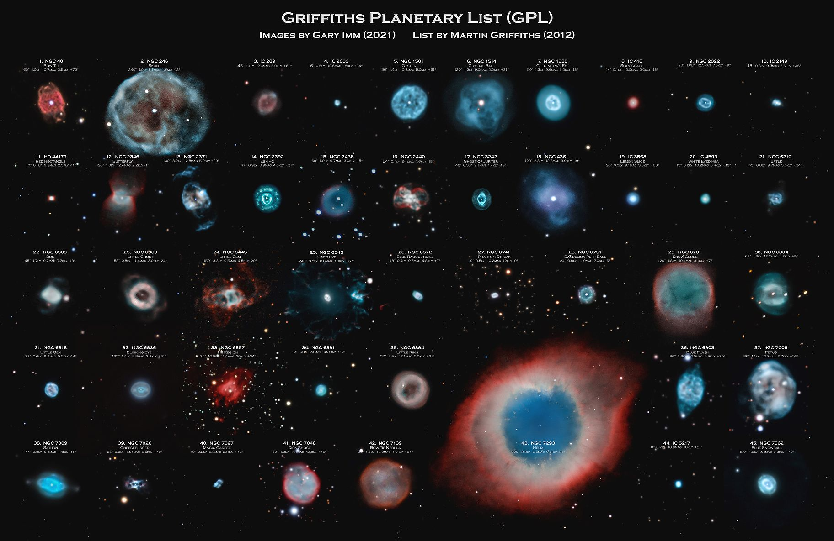
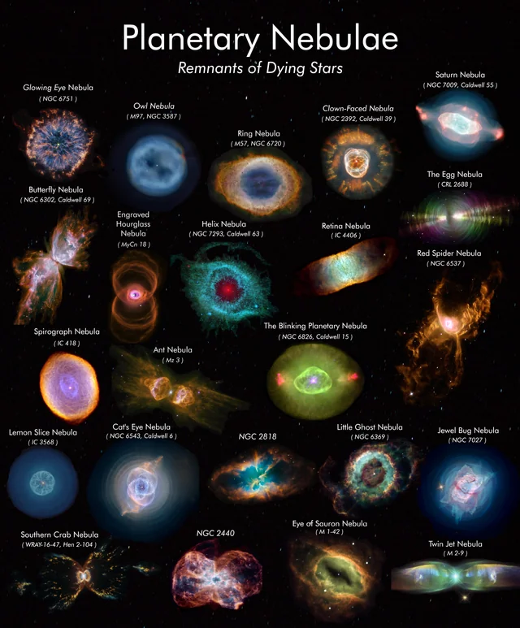
Just some examples

